graph
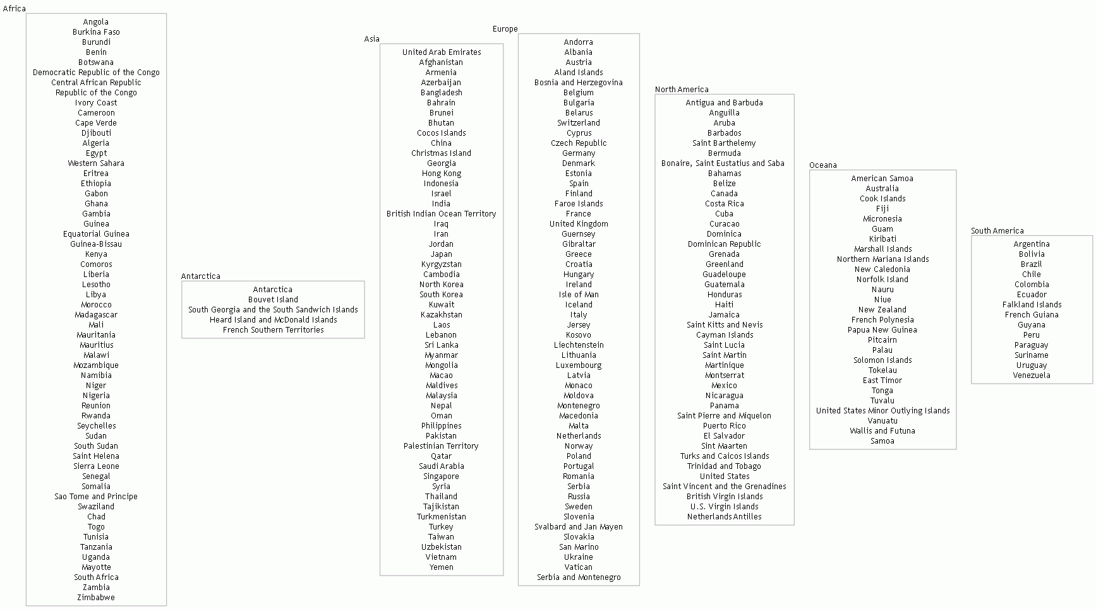

styles
Style Name | Description | Format | Properties | Style Type | All Styles | No Clusters | No Edges
node |  |  |  | node | yes | yes | yes
edge |  | radius=9 |  | edge | yes | yes | no
subgraph-open |  |  |  | subgraph-open | yes | no | yes | 
subgraph-close |  |  |  | subgraph-close | yes | no | yes
keyword |  |  |  | keyword | yes | yes | yes
native |  |  |  | native | yes | yes | yes
Rectangle |  | shape=box width=2 color=Gray74 fontname="Trebuchet MS" fontsize=10 imagescale=True imagepos=mr |  | node | yes | yes | yes
Record |  | shape=record width=2 color=Gray74 fontname="Trebuchet MS" fontsize=10 |  | node | yes | yes | yes

sql
 | SQL SELECT Statement | Data File | Status

# | Specify the workbook containing the data |  | SKIPPED
 | SET DATA FILE | countries.xlsx | SUCCESS | Example01 | Example02

# | Clear the 'data' worksheet |  | SKIPPED
 | RESET |  | SUCCESS | Example01 | Example02

# | Exaple 1 - Build Continent nodes, where each node lists all the Countries in the Continent using the RECTANGLE shape. The fields emitted to the data worksheet are specified in the first SQL statement [SQL FOR ID]. (NOTE:The SQL passed as parameters has been kept to one line to reduce confusion). |  | SKIPPED
 | SELECT TRUE AS [ITERATE], 'SELECT DISTINCT [ContinentCode] AS [ID], [continent] AS [Item], [Continent] AS [External Label], [Continent] AS [Label], ''Rectangle'' AS [Style Name] FROM [countries$]' AS [SQL FOR ID], 'SELECT [Country] AS [Label] FROM [countries$] WHERE [ContinentCode] = ''{ID}'' AND [ContinentCode] IS NOT NULL' AS [SQL FOR DATA], TRUE AS [CONCATENATE], 'Label' AS [FIELD], 'Label' AS [ASSIGN TO], '' AS [PREFIX], '' AS [SUFFIX], '\n' AS [SEPARATOR] |  | SUCCESS | Example01

✎
# | Example 2: Build Continent nodes, where each node lists all the Countries in the Continent using the RECORD shape. The fields emitted to the data worksheet are specified in the first SQL statement [SQL FOR ID]. (NOTE:The SQL passed as parameters has been kept to one line to reduce confusion). |  | SKIPPED
 | SELECT TRUE AS [ITERATE], 'SELECT DISTINCT [ContinentCode] AS [ID], [continent] AS [Item], [Continent] AS [External Label], [Continent] AS [Label], ''Record'' AS [Style Name] FROM [countries$]' AS [SQL FOR ID], 'SELECT [Country] AS [Label] FROM [countries$] WHERE [ContinentCode] = ''{ID}'' AND [ContinentCode] IS NOT NULL' AS [SQL FOR DATA], TRUE AS [CONCATENATE], 'Label' AS [FIELD], 'Label' AS [ASSIGN TO], '{' AS [PREFIX], '}' AS [SUFFIX], '|' AS [SEPARATOR] |  | FILTERED OUT |  | Example02

# | Preview / Publish the graphs |  | SKIPPED
 | PREVIEW |  | SUCCESS | Example01 | Example02
 | PUBLISH |  | FILTERED OUT

# |  |  | SKIPPED
# | ##################################################################################################### |  | SKIPPED
# | Quick Help |  | SKIPPED
# | ##################################################################################################### |  | SKIPPED
# |  |  | SKIPPED
# | Excel SQL Syntax |  | SKIPPED
# | https://exceltographviz.com/sql/syntax/ |  | SKIPPED
# |  |  | SKIPPED
# | Clear the 'data' worksheet |  | SKIPPED
# | RESET |  | SKIPPED
# |  |  | SKIPPED
# | Turn on/off logging of errors to file 'Relationship Visualizer ADO Log.txt' |  | SKIPPED
# | ENABLE LOGGING |  | SKIPPED
# | DISABLE LOGGING |  | SKIPPED
# |  |  | SKIPPED
# | Write environment diagonostic information to file 'Relationship Visualizer ADO Log.txt' |  | SKIPPED
# | LOG ENVIRONMENT |  | SKIPPED
# |  |  | SKIPPED
# | Specify the workbook containing the data |  | SKIPPED
# | SET DATA FILE | Put file name here | SKIPPED
# |  |  | SKIPPED
# | Create the edges |  | SKIPPED
# | SELECT [From Column] AS [Item], [To Column] AS [Related Item] FROM [Worksheet Name$] |  | SKIPPED
# | Create the nodes |  | SKIPPED
# | SELECT [Node Id Column] AS [Item], [Node Label Column] AS [Label], [Node Style Column] AS [Style Name] FROM [Worksheet Name$] WHERE ... |  | SKIPPED
# | Create edges which chain a set of nodes |  | SKIPPED
# | SELECT [Node Id Column] AS [ITEM], TRUE AS [CREATE EDGES] FROM [Worksheet Name$] WHERE ... |  | SKIPPED
# | Create a subgraph, with rank= constraint specified as either 'same' | 'min' | 'source' | 'max' | 'sink'. |  | SKIPPED
# | The rank attribute tells Graphviz how to line up the nodes inside a subgraph: - rank=same - all nodes sit on the same horizontal (or vertical) level. - rank=min - all nodes are pushed to the top (or left) of the graph. - rank=source - same as min, but Graphviz also ensures that only subgraphs marked source or min share that top/left rank. - rank=max - all nodes are pushed to the bottom (or right) of the graph. - rank=sink - same as max, but restricted to subgraphs marked sink or max. |  | SKIPPED
# | NOTE: Graphviz treats the minimum rank as the top/left edge of the layout and the maximum rank as the bottom/right edge. |  | SKIPPED
# | SELECT [Node Id Column] AS [ITEM], TRUE AS [CREATE RANK], 'same' AS [RANK] FROM [Worksheet Name$] WHERE ... |  | SKIPPED
# | Split text for labels at first blank after 10 characters |  | SKIPPED
# | SELECT [Label Column] AS [Label], 10 AS [SPLIT LENGTH], ... |  | SKIPPED
# | Specify the line ending (\l, \n, \r, | etc.) to use when splitting a label |  | SKIPPED
# | SELECT [Label Column] AS [Label], 10 AS [SPLIT LENGTH], '\r' AS [LINE ENDING], ... |  | SKIPPED
# | Group nodes into a cluster |  | SKIPPED
# | SELECT [Cluster Id Column] AS [CLUSTER], [Cluster Label Column] AS [CLUSTER LABEL], [Cluster Style Name Column] AS [CLUSTER STYLE NAME], [Cluster Attributes] AS [CLUSTER ATTRIBUTES], [Cluster Tooltip Column] AS [CLUSTER TOOLTIP], [Node Id Column] AS [Item], [Node Label Column] AS [Label], [Node Style Name Column] AS [Style Name], ... |  | SKIPPED
# | Group nodes into two level clusters |  | SKIPPED
# | SELECT [Outer Cluster Id Column] AS [CLUSTER], [Outer Cluster Label Column] AS [CLUSTER LABEL], [Outer Cluster Style Name Column] AS [CLUSTER STYLE NAME], [Outer Cluster Attributes] AS [CLUSTER ATTRIBUTES], [Outer Cluster Tooltip Column] AS [CLUSTER TOOLTIP], [Inner Cluster Id Column] AS [SUBCLUSTER], [Inner Cluster Label Column] AS [SUBCLUSTER LABEL], [Inner Cluster Style Name Column] AS [SUBCLUSTER STYLE NAME], [Inner Cluster Attributes] AS [SUBCLUSTER ATTRIBUTES], [Inner Cluster Tooltip Column] AS [SUBCLUSTER TOOLTIP], [Node Id Column] AS [Item], [Node Label Column] AS [Label], [Node Style Name Column] AS [Style Name], ... |  | SKIPPED
# | Loop count substitution strings (useful in sortv= attributes, style names, and labels). {clc} = Cluster count {scc} = Subcluster count {rsc} = Record set count |  | SKIPPED
# | SELECT 'sortv={clc}' AS [CLUSTER ATTRIBUTES], 'Border {clc} ' AS [CLUSTER STYLE NAME], 'sortv={scc}' AS [SUBCLUSTER ATTRIBUTES], 'sortv={rsc}' AS [Attributes], ... FROM [Worksheet Name$] WHERE ... ORDER BY [Outer Cluster Label Column] ASC, [Inner Cluster Label Column] ASC, [Node Label Column] ASC |  | SKIPPED
# | Show the graph immediately after all SQL statements processed |  | SKIPPED
# | PREVIEW [ AS ( DIRECTED | UNDIRECTED ) GRAPH ] |  | SKIPPED
# |  |  | SKIPPED
# | Publish graphs as files |  | SKIPPED
# | PUBLISH [ ALL VIEWS ] [ AS ( DIRECTED | UNDIRECTED ) GRAPH ] [ file prefix ] |  | SKIPPED
#

